Data
Time | Accumulated Energy | Mean Power | Accumulated Energy per 15 minutes | Báo Cáo Sản Lượng Và Công Suất
2020-06-05 04:00 | 639.7995 | 31.234566667 | 7.50464
2020-06-05 04:15 | 647.30414 | 31.218836744 | 7.50464
2020-06-05 04:30 | 654.80878 | 31.191268061 | 7.50464 |  | SAVINA SPMS-8.6kW
2020-06-05 04:45 | 662.31342 | 31.197573575 | 7.55083
2020-06-05 05:00 | 669.86425 | 31.308959167 | 7.55083 | Từ 2020-06-05 04:00 tới 2020-06-05 15:45
2020-06-05 05:15 | 677.41508 | 31.219134578
2020-06-05 05:30 |  |  |  | Mã trạm |  | SPMS-8.6kW
2020-06-05 05:45 |  |  |  | Kinh độ |  | 108.244889
2020-06-05 06:00 |  |  |  | Vĩ độ |  | 16.063646
2020-06-05 06:15 | 706.45675 | 28.947175 | 6.97 | Vùng |  | DNG
2020-06-05 06:30 | 713.42675 | 28.82169697 |  | Địa chỉ |  | 37 Hoàng Hoa Thám, P.Tân Chinh, Q.Thanh Khê, Đà Nẵng
2020-06-05 06:45
2020-06-05 07:00 |  |  |  | Thời gian có nắng trung bình |  | 7h/ngày
2020-06-05 07:15 | 726.86889 | 27.225093333 | 6.47215 | Tình trạng |  | Đang hòa lưới
2020-06-05 07:30 | 733.34104 | 26.848237207 | 6.47214
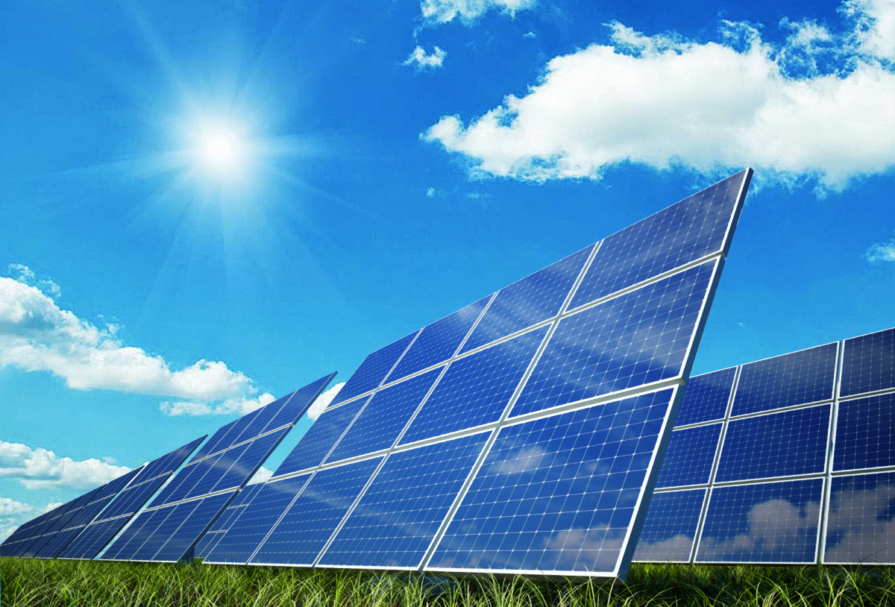
2020-06-05 07:45 | 739.81318 | 26.793268389 | 6.04067
2020-06-05 08:00 | 745.85385 | 25.049893833 | 12.08133
2020-06-05 08:15 | 757.93518 | 25.040575754 | 6.04067
2020-06-05 08:30 | 763.97585 | 24.988552 | 6.04066
2020-06-05 08:45 | 770.01651 | 25.04732514 | 5.66313
2020-06-05 09:00 | 775.67964 | 23.489322667 | 5.66312
2020-06-05 09:15 | 781.34276 | 23.439734407 | 5.66313
2020-06-05 09:30 | 787.00589 | 23.491822716 | 5.66312
2020-06-05 09:45 | 792.66901 | 23.444526766 | 5.33
2020-06-05 10:00 | 797.99901 | 22.099440333 | 5.33
2020-06-05 10:15 | 803.32901 | 22.111869565
2020-06-05 10:30
2020-06-05 10:45
2020-06-05 11:00
2020-06-05 11:15 | 826.26933 | 51.065746
2020-06-05 11:30
2020-06-05 11:45
2020-06-05 12:00
2020-06-05 12:15
2020-06-05 12:30
2020-06-05 12:45
2020-06-05 13:00
2020-06-05 13:15
2020-06-05 13:30
2020-06-05 13:45
2020-06-05 14:00
2020-06-05 14:15
2020-06-05 14:30
2020-06-05 14:45
2020-06-05 15:00
2020-06-05 15:15
2020-06-05 15:30 | 850.82997 | 0 | 0
2020-06-05 15:45 | 850.82997 | 0

Energy chart
Energy per 15 minutes

Power chart
Mean power per 15 minutes

